Read Me
 | Purpose : This is a test audit template document that should be used by the project team to capture the test outcomes and test logs
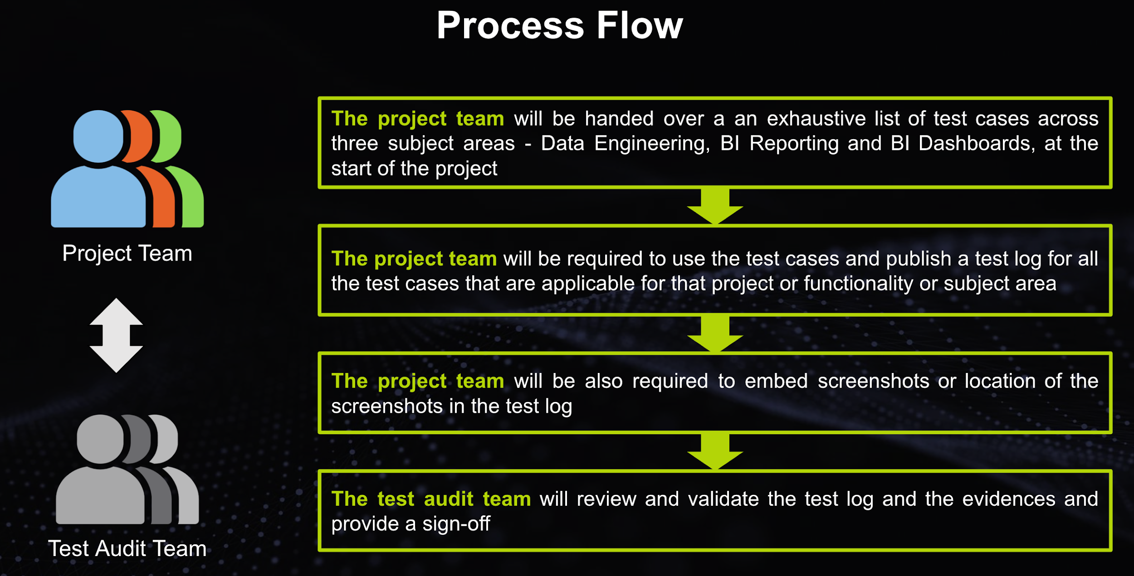

Frequently asked questions
Q# | Query | Response
Q1 | Who should be preparing this test log ? | This test log should be prepared by the project team. The core aim is to ensure that all the applicable test cases are - Tested - Test Log is updated accordingly - screenshot (if applicable) for "passed" test cases should be saved in the designated project folder
Q2 | Is this applicable for all projects ? | Yes. This is applicable to all projects where we have code development as part of the scope.
Q3 | Is this applicable to Thrive or BTX nature of projects ? | This is applicable to both Thrive and BTX nature of engagements. For BTX, if client wants to follow their own template, we need to align accordingly
Q4 | How will the effort for performing this activity will be factored in for the Project Team | This is a test audit framework to capture all the test execution logs. Ideally this should have been already factored in part of the project plan. If not, the PM needs to ensure this is done
Q5 | How will the effort for performing this activity will be factored in for the Test Audit Team | The Test Audit Team is required to put in hours in timesheet for the work. There will be a new project created for the same
Q6 | Will Test Audit Team perform this audit for all the projects? | The long term goal will be to perform audit for 100% of the projects. However for the initial 3 months, the test audit team will do a sampling and decide the list of projects to be audited. The sampling criteria would be the complexity of the scope being implemented that will be jointly reviewed & finalized with the BU Architect and BU Lead
Q7 | When this Audit will happen ? | The Audit will happen at any stage of the development lifecycle and the frequency of Audit for a project should be at least 1 during the Thrive engagement.
Q8 | How will this Audit be factored in the project plan of the Thrive engagement? | The Audit will be defined as a specific task item in the project plan and Audit Closure will be defined a key milestone before UAT or Go-Live
Q9 | Can additional test case be included in the list of Test Audit Test case | Yes. Additional test cases can be included subject to review by the concerned SA
Q10 | When and How this process will be rolled out? | The Audit process will be first applied as a pilot in 2-3 projects to review the outcome and gaps. Accordingly the process will be further refined and rolled out across the delivery projects by Jan 2024.

 | Next Steps
1 | Identify Test AUdit team
2 | Identify the pilot projects
3 | Run a quick RnD on test management tool - Bugzilla
4 | Identify Negative scenarios / Work with BAs

